passenger-Road
page 215
Figure 94 - Evolution of the Current Fleet
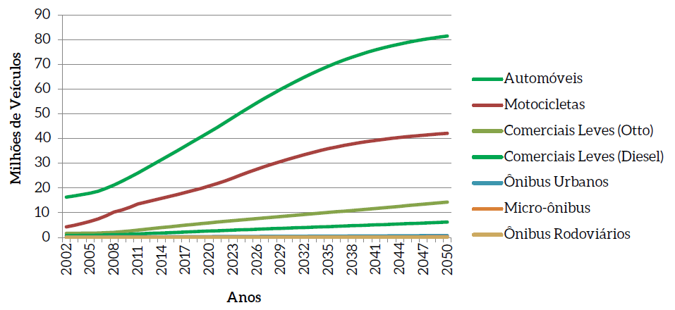

 |  |  |  |  |  |  |  | translation
 |  |  |  |  |  |  |  | Automobiles
 |  |  |  |  |  |  |  | Motorcycles
 |  |  |  |  |  |  |  | Trucks (Otto)
 |  |  |  |  |  |  |  | Light Trucks (Diesel)
 |  |  |  |  |  |  |  | City Buses
 |  |  |  |  |  |  |  | Micro bus
 |  |  |  |  |  |  |  | Buses

The table below is from the excel file that generated the results for transportation sector.
Evolution of the current fleet
Vehicle type | 2015 | 2016 | 2017 | 2018 | 2019 | 2020 | 2021 | 2022 | 2023 | 2024 | 2025 | 2026 | 2027 | 2028 | 2029 | 2030 | 2031 | 2032 | 2033 | 2034 | 2035 | 2036 | 2037 | 2038 | 2039 | 2040 | 2041 | 2042 | 2043 | 2044 | 2045 | 2046 | 2047 | 2048 | 2049 | 2050
Auto Gasoline C | 9176827 | 8602111 | 8060405 | 7555614 | 7090467 | 6659847 | 6264627 | 5903937 | 5576243 | 5279443 | 5007234 | 4757453 | 4527604 | 4315309 | 4118093 | 3942099 | 3785673 | 3647016 | 3524675 | 3416808 | 3321062 | 3237086 | 3163680 | 3099030 | 3043096 | 2994337 | 2951905 | 2915027 | 2883280 | 2855884 | 2832021 | 2811054 | 2793298 | 2778501 | 2765488 | 2753804
Auto Ethanol | 720412 | 641135 | 569505 | 504982 | 447028 | 395120 | 348737 | 307401 | 270643 | 238019 | 209127 | 183579 | 161025 | 141146 | 123640 | 108247 | 94724 | 82856 | 72444 | 63323 | 55326 | 47691 | 41294 | 35462 | 29452 | 24296 | 19585 | 15355 | 12313 | 9366 | 7202 | 6089 | 4951 | 3858 | 2724 | 2044
Auto flex | 23446807 | 26002358 | 28563887 | 31123154 | 33673707 | 36198934 | 38712655 | 41212750 | 43698334 | 46169461 | 48532763 | 50792003 | 52947646 | 55000674 | 56952544 | 58820212 | 60421909 | 61756655 | 62824354 | 63625900 | 64131077 | 64347142 | 64282377 | 63946308 | 63349640 | 62479311 | 61348012 | 59969114 | 58356520 | 56524455 | 54487260 | 52259202 | 49854284 | 47286129 | 44567831 | 41937022
Auto Hybrid | 0 | 0 | 0 | 0 | 0 | 18571 | 57168 | 117226 | 200136 | 307229 | 436719 | 588796 | 763412 | 960369 | 1179326 | 1396461 | 1797617 | 2385751 | 3163335 | 4132223 | 5282474 | 6610961 | 8113576 | 9785218 | 11619840 | 13610538 | 15749717 | 18029182 | 20440360 | 22974473 | 25622732 | 28376478 | 31227309 | 34167174 | 37188457 | 40084170
Auto Plug-in Flex | 0 | 0 | 0 | 0 | 0 | 0 | 0 | 0 | 0 | 0 | 0 | 0 | 0 | 0 | 0 | 0 | 0 | 0 | 0 | 0 | 0 | 0 | 0 | 0 | 0 | 0 | 0 | 0 | 0 | 0 | 0 | 0 | 0 | 0 | 0 | 0
Auto Battery | 0 | 0 | 0 | 0 | 0 | 0 | 0 | 0 | 0 | 0 | 0 | 0 | 0 | 0 | 0 | 0 | 0 | 0 | 0 | 0 | 0 | 0 | 0 | 0 | 0 | 24839 | 74551 | 149111 | 248416 | 372250 | 520279 | 692021 | 886846 | 1103985 | 1342534 | 1576158
Com. Light Gasoline C | 1539523 | 1570175 | 1603295 | 1638676 | 1676158 | 1715531 | 1757101 | 1800679 | 1846135 | 1893321 | 1942115 | 1992676 | 2044891 | 2098622 | 2153769 | 2210250 | 2268154 | 2327396 | 2387939 | 2449599 | 2512302 | 2576104 | 2640938 | 2706673 | 2773251 | 2840585 | 2908662 | 2977403 | 3046767 | 3116692 | 3187083 | 3257893 | 3329143 | 3400810 | 3472798 | 3545065
Com. Light Ethanol | 61615 | 54327 | 47825 | 42035 | 36901 | 32350 | 28329 | 24788 | 21665 | 18924 | 16517 | 14405 | 12562 | 10945 | 9533 | 8301 | 7221 | 6288 | 5473 | 4755 | 4136 | 3576 | 3097 | 2660 | 2251 | 1865 | 1516 | 1200 | 937 | 700 | 527 | 443 | 353 | 259 | 172 | 113
Com. Light Flex | 2698752 | 3013519 | 3323498 | 3627527 | 3924712 | 4214436 | 4497906 | 4774981 | 5045689 | 5310223 | 5568878 | 5822949 | 6072855 | 6319026 | 6561889 | 6801856 | 7039934 | 7276466 | 7511767 | 7746114 | 7979733 | 8213172 | 8446591 | 8680127 | 8913872 | 9147903 | 9382445 | 9617525 | 9853178 | 10089396 | 10326174 | 10563522 | 10801410 | 11039816 | 11278718 | 11518082
Com. Light Diesel | 1934217 | 2067042 | 2200328 | 2333762 | 2467025 | 2599827 | 2732746 | 2865481 | 2997779 | 3129415 | 3260214 | 3390568 | 3520364 | 3649584 | 3778210 | 3906270 | 4034168 | 4161953 | 4289700 | 4417487 | 4545374 | 4673615 | 4802265 | 4931370 | 5060977 | 5191085 | 5321805 | 5453124 | 5585039 | 5717512 | 5850543 | 5984112 | 6118189 | 6252750 | 6387731 | 6523118
Gasoline motorcycle C | 12482321 | 12645960 | 12850190 | 13100102 | 13391814 | 13736398 | 14144966 | 14619920 | 15162582 | 15770843 | 16363125 | 16940542 | 17502185 | 18047325 | 18575330 | 19085636 | 19579373 | 20056473 | 20516901 | 20961229 | 21371717 | 21750860 | 22101096 | 22424440 | 22723095 | 22999004 | 23253914 | 23489353 | 23706777 | 23907812 | 24093736 | 24266068 | 24426137 | 24575063 | 24713796 | 24843037
Moto Flex | 4153411 | 4841656 | 5541312 | 6254555 | 6981781 | 7719145 | 8477747 | 9253167 | 10050012 | 10870142 | 11646793 | 12383881 | 13083320 | 13746885 | 14376209 | 14972752 | 15539266 | 16077274 | 16588218 | 17073815 | 17520026 | 17930167 | 18307135 | 18653588 | 18971973 | 19264507 | 19533391 | 19780572 | 20007842 | 20216925 | 20409400 | 20586849 | 20750717 | 20902283 | 21042711 | 21173057
City Bus Diesel | 276414 | 287249 | 298421 | 309908 | 321683 | 333720 | 346080 | 358727 | 371634 | 384755 | 398073 | 411609 | 425325 | 439198 | 453196 | 467314 | 481565 | 495942 | 510428 | 525030 | 539738 | 554562 | 569513 | 584584 | 599765 | 615052 | 630453 | 645956 | 661562 | 677264 | 693066 | 708961 | 724918 | 740970 | 757099 | 773296
Micro diesel | 93900 | 97322 | 100695 | 103999 | 107242 | 110422 | 113562 | 116669 | 119749 | 122813 | 125867 | 128942 | 132041 | 135175 | 138356 | 141591 | 144897 | 148277 | 151734 | 155278 | 158901 | 162606 | 166408 | 170286 | 174241 | 178277 | 182385 | 186556 | 190791 | 195090 | 199440 | 203834 | 208276 | 212762 | 217282 | 221833
Bus Rodo Diesel | 40214 | 41813 | 43442 | 45107 | 46789 | 48505 | 50249 | 52031 | 53836 | 55662 | 57520 | 59402 | 61311 | 63238 | 65190 | 67162 | 69157 | 71167 | 73202 | 75249 | 77330 | 79419 | 81538 | 83666 | 85821 | 87988 | 90180 | 92382 | 94606 | 96844 | 99095 | 101356 | 103634 | 105923 | 108228 | 110541

Total | 56624413 | 59864667 | 63202803 | 66639421 | 70165307 | 73782806 | 77531873 | 81407757 | 85414437 | 89550250 | 93564945 | 97466805 | 101254541 | 104927496 | 108485285 | 111928151 | 115263658 | 118493514 | 121620170 | 124646810 | 127499196 | 130186961 | 132719508 | 135103412 | 137347274 | 139459587 | 141448521 | 143321860 | 145088388 | 146754663 | 148328558 | 149817882 | 151229465 | 152570283 | 153845569 | 155061340
Automobiles | 33344046 | 35245604 | 37193797 | 39183750 | 41211202 | 43272472 | 45383187 | 47541314 | 49745356 | 51994152 | 54185843 | 56321831 | 58399687 | 60417498 | 62373603 | 64267019 | 66099923 | 67872278 | 69584808 | 71238254 | 72789939 | 74242880 | 75600927 | 76866018 | 78042028 | 79133321 | 80143770 | 81077789 | 81940889 | 82736428 | 83469494 | 84144844 | 84766688 | 85339647 | 85867034 | 86353198
Motorcycles | 16635732 | 17487616 | 18391502 | 19354657 | 20373595 | 21455543 | 22622713 | 23873087 | 25212594 | 26640985 | 28009918 | 29324423 | 30585505 | 31794210 | 32951539 | 34058388 | 35118639 | 36133747 | 37105119 | 38035044 | 38891743 | 39681027 | 40408231 | 41078028 | 41695068 | 42263511 | 42787305 | 43269925 | 43714619 | 44124737 | 44503136 | 44852917 | 45176854 | 45477346 | 45756507 | 46016094
Trucks (Otto) | 4299890 | 4638021 | 4974618 | 5308238 | 5637771 | 5962317 | 6283336 | 6600448 | 6913489 | 7222468 | 7527510 | 7830030 | 8130308 | 8428593 | 8725191 | 9020407 | 9315309 | 9610150 | 9905179 | 10200468 | 10496171 | 10792852 | 11090626 | 11389460 | 11689374 | 11990353 | 12292623 | 12596128 | 12900882 | 13206788 | 13513784 | 13821858 | 14130906 | 14440885 | 14751688 | 15063260
Light Trucks (Diesel) | 1934217 | 2067042 | 2200328 | 2333762 | 2467025 | 2599827 | 2732746 | 2865481 | 2997779 | 3129415 | 3260214 | 3390568 | 3520364 | 3649584 | 3778210 | 3906270 | 4034168 | 4161953 | 4289700 | 4417487 | 4545374 | 4673615 | 4802265 | 4931370 | 5060977 | 5191085 | 5321805 | 5453124 | 5585039 | 5717512 | 5850543 | 5984112 | 6118189 | 6252750 | 6387731 | 6523118
City Buses | 276414 | 287249 | 298421 | 309908 | 321683 | 333720 | 346080 | 358727 | 371634 | 384755 | 398073 | 411609 | 425325 | 439198 | 453196 | 467314 | 481565 | 495942 | 510428 | 525030 | 539738 | 554562 | 569513 | 584584 | 599765 | 615052 | 630453 | 645956 | 661562 | 677264 | 693066 | 708961 | 724918 | 740970 | 757099 | 773296
Micro bus | 93900 | 97322 | 100695 | 103999 | 107242 | 110422 | 113562 | 116669 | 119749 | 122813 | 125867 | 128942 | 132041 | 135175 | 138356 | 141591 | 144897 | 148277 | 151734 | 155278 | 158901 | 162606 | 166408 | 170286 | 174241 | 178277 | 182385 | 186556 | 190791 | 195090 | 199440 | 203834 | 208276 | 212762 | 217282 | 221833
Buses | 40214 | 41813 | 43442 | 45107 | 46789 | 48505 | 50249 | 52031 | 53836 | 55662 | 57520 | 59402 | 61311 | 63238 | 65190 | 67162 | 69157 | 71167 | 73202 | 75249 | 77330 | 79419 | 81538 | 83666 | 85821 | 87988 | 90180 | 92382 | 94606 | 96844 | 99095 | 101356 | 103634 | 105923 | 108228 | 110541

passenger-Rail
Assumptions:
It was assumed the rail-metro system, values from 2018, once MOP doesn't provide this reference.
https://anptrilhos.org.br/wp-content/uploads/2019/05/anptrilhos-balancosetor-2019-web.pdf
Page: 4
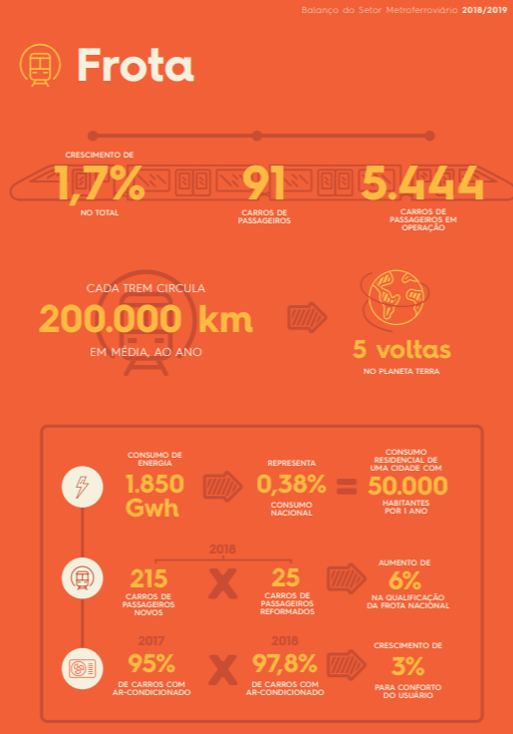
 | Wagons
 | 5444

freight-Road
page 222
Figure 99 - Cargo Vehicle Fleet
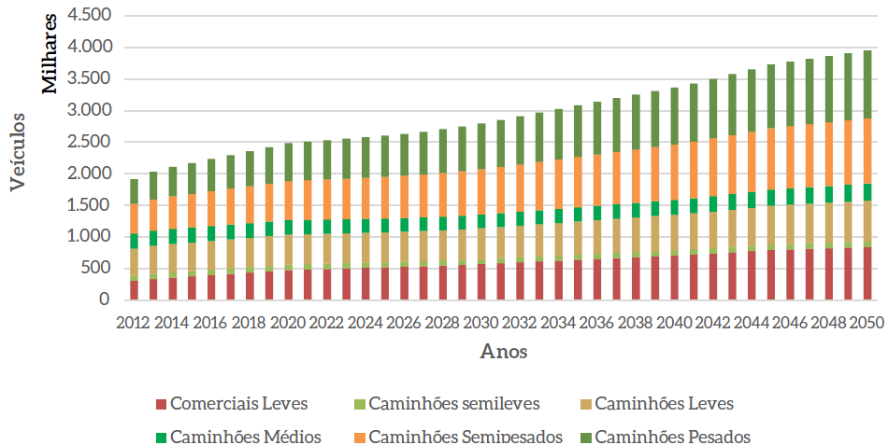

 |  |  |  |  |  |  |  | legend translation
 |  |  |  |  |  |  |  | Light Commercials | Semi-light Trucks | Light Trucks
 |  |  |  |  |  |  |  | Medium Trucks | Semi-heavy Trucks | Heavy Trucks

The table below is from the excel file that generated the results for transportation sector, this file has more detalied informations about the modelling than the report.

Fleet
1 - Light Commercials
Year | TOTAL | (%)
2012 | 306,788 | 0.16017716326
2013 | 332,958 | 0.16392819799
2014 | 358,134 | 0.16959572724
2015 | 377,712 | 0.1740556578
2016 | 398,092 | 0.17829289552
2017 | 418,202 | 0.18218070931
2018 | 438,021 | 0.18573840218
2019 | 457,529 | 0.18898311125
2020 | 476,705 | 0.19370695795
2021 | 486,184 | 0.19580798837
2022 | 495,270 | 0.19860869868
2023 | 503,955 | 0.20030466114
2024 | 512,239 | 0.20258568969
2025 | 520,130 | 0.20337559151
2026 | 528,722 | 0.20529782289
2027 | 538,112 | 0.20598986214
2028 | 548,411 | 0.20762414626
2029 | 559,739 | 0.20832508566
2030 | 572,221 | 0.21047318138
2031 | 585,990 | 0.21055816816
2032 | 600,109 | 0.21246536767
2033 | 614,109 | 0.21261235688
2034 | 628,018 | 0.21415971836
2035 | 641,856 | 0.21514458535
2036 | 655,290 | 0.21577725448
2037 | 668,672 | 0.21668323643
2038 | 682,004 | 0.217283107
2039 | 695,282 | 0.21802141398
2040 | 708,498 | 0.21939856917
2041 | 723,564 | 0.21908233073
2042 | 740,549 | 0.22046977801
2043 | 758,354 | 0.22029566077
2044 | 776,065 | 0.22140760435
2045 | 793,671 | 0.22287654005
2046 | 803,427 | 0.22204536286
2047 | 813,037 | 0.22308327706
2048 | 822,498 | 0.22237030114
2049 | 831,810 | 0.22299783719
2050 | 840,977 | 0.2240603873
2 - Semilight Trucks
2012 | 82,220 | 0.042927680697
2013 | 84,937 | 0.041370317141
2014 | 85,477 | 0.040166552986
2015 | 85,517 | 0.039092807378
2016 | 85,626 | 0.038050884764
2017 | 85,712 | 0.037055573239
2018 | 85,777 | 0.036104407231
2019 | 85,826 | 0.035357028948
2020 | 85,864 | 0.034794121564
2021 | 85,072 | 0.034243877765
2022 | 84,278 | 0.033701922903
2023 | 83,488 | 0.033153449478
2024 | 82,707 | 0.032576466939
2025 | 81,939 | 0.031990435897
2026 | 81,286 | 0.031415151476
2027 | 80,757 | 0.030830880699
2028 | 80,363 | 0.030266915486
2029 | 80,115 | 0.029754060645
2030 | 80,025 | 0.02921851341
2031 | 80,102 | 0.02869574684
2032 | 80,263 | 0.028223965122
2033 | 80,467 | 0.027767053533
2034 | 80,714 | 0.027404849554
2035 | 81,007 | 0.027023215495
2036 | 81,316 | 0.026670203262
2037 | 81,672 | 0.026347609743
2038 | 82,075 | 0.02604485911
2039 | 82,526 | 0.025816825568
2040 | 83,024 | 0.025536930566
2041 | 83,738 | 0.025266618596
2042 | 84,673 | 0.025030271145
2043 | 85,732 | 0.024805986856
2044 | 86,834 | 0.024700792745
2045 | 87,978 | 0.024578037996
2046 | 88,483 | 0.024431748228
2047 | 89,026 | 0.024313774672
2048 | 89,608 | 0.024188169623
2049 | 90,224 | 0.02417591679
2050 | 90,874 | 0.032239018915
3 - Light Trucks
2012 | 425,527.13 | 0.2221719488
2013 | 439,509 | 0.21638750381
2014 | 446,182 | 0.21129116626
2015 | 449,576 | 0.20717165769
2016 | 453,840 | 0.20326053819
2017 | 458,301 | 0.19964913873
2018 | 462,967 | 0.19631651458
2019 | 467,844 | 0.19324373416
2020 | 472,937 | 0.19217585436
2021 | 472,240 | 0.1901921389
2022 | 471,775 | 0.18918691877
2023 | 471,544 | 0.18742233297
2024 | 471,547 | 0.1864923317
2025 | 471,782 | 0.18447099814
2026 | 472,937 | 0.1836371172
2027 | 475,051 | 0.18184989682
2028 | 478,163 | 0.18102868349
2029 | 482,315 | 0.17950930301
2030 | 487,550 | 0.17932965707
2031 | 493,914 | 0.17747338554
2032 | 500,766 | 0.17729352823
2033 | 507,772 | 0.17579709491
2034 | 514,923 | 0.17559322845
2035 | 522,210 | 0.17504005795
2036 | 529,401 | 0.17432388084
2037 | 536,714 | 0.17392215229
2038 | 544,143 | 0.1733612558
2039 | 551,684 | 0.17299309598
2040 | 559,334 | 0.17320745357
2041 | 568,326 | 0.1720791028
2042 | 578,705 | 0.17228692551
2043 | 589,763 | 0.17132127949
2044 | 600,915 | 0.17143816893
2045 | 612,159 | 0.17190477674
2046 | 618,516 | 0.17094098238
2047 | 624,964 | 0.17147918585
2048 | 631,498 | 0.17073173848
2049 | 638,116 | 0.1710709599
2050 | 644,812 | 0.17179634679
4 - Medium Trucks
2012 | 244,531.22 | 0.12767218213
2013 | 245,432 | 0.12083553029
2014 | 243,836 | 0.11546966068
2015 | 241,110 | 0.11110752617
2016 | 238,972 | 0.10702782754
2017 | 237,134 | 0.10330241925
2018 | 235,595 | 0.099901533362
2019 | 234,349 | 0.09679833651
2020 | 233,393 | 0.094838222437
2021 | 230,224 | 0.09272146591
2022 | 227,337 | 0.091164424335
2023 | 224,724 | 0.089320058439
2024 | 222,380 | 0.087948990422
2025 | 220,294 | 0.086136986978
2026 | 218,746 | 0.084937111039
2027 | 217,744 | 0.083352571988
2028 | 217,296 | 0.082266640336
2029 | 217,413 | 0.080917296938
2030 | 218,104 | 0.080222520725
2031 | 219,381 | 0.078828093177
2032 | 220,971 | 0.07823351646
2033 | 222,727 | 0.077110933062
2034 | 224,639 | 0.076603980006
2035 | 226,697 | 0.075986844554
2036 | 228,798 | 0.075339697394
2037 | 231,025 | 0.074863796362
2038 | 233,372 | 0.074351172889
2039 | 235,830 | 0.073949959995
2040 | 238,394 | 0.073822746147
2041 | 241,570 | 0.073143066356
2042 | 245,372 | 0.073050118702
2043 | 249,503 | 0.072478703784
2044 | 253,716 | 0.072383910535
2045 | 258,005 | 0.072452240652
2046 | 260,299 | 0.071939592234
2047 | 262,663 | 0.072070176671
2048 | 265,092 | 0.071670289238
2049 | 267,583 | 0.071735575894
2050 | 270,130 | 0.071970274748
6 - Semi-heavy trucks
2012 | 461,756.81 | 0.24108782652
2013 | 491,556 | 0.24201202367
2014 | 513,519 | 0.2431788374
2015 | 529,887 | 0.24418035714
2016 | 547,373 | 0.24515077782
2017 | 564,874 | 0.2460753637
2018 | 582,395 | 0.24695869965
2019 | 599,936 | 0.24780495236
2020 | 606,358 | 0.24639066215
2021 | 613,159 | 0.24694643808
2022 | 614,483 | 0.24641427045
2023 | 621,473 | 0.24701389761
2024 | 623,758 | 0.24669013069
2025 | 634,100 | 0.24793888049
2026 | 637,989 | 0.24772542523
2027 | 650,075 | 0.24884941225
2028 | 657,099 | 0.24877238393
2029 | 670,875 | 0.24968807724
2030 | 676,607 | 0.24886796447
2031 | 696,704 | 0.25034008394
2032 | 705,088 | 0.24963277498
2033 | 724,379 | 0.25078897334
2034 | 733,900 | 0.25026619296
2035 | 746,680 | 0.25028058562
2036 | 761,001 | 0.2505862832
2037 | 773,069 | 0.25051315611
2038 | 786,913 | 0.25070641448
2039 | 799,433 | 0.2506802508
2040 | 806,973 | 0.24989312235
2041 | 828,829 | 0.25095459767
2042 | 840,281 | 0.25016112629
2043 | 864,127 | 0.25102167313
2044 | 877,774 | 0.25042480951
2045 | 888,064 | 0.24938374971
2046 | 906,570 | 0.250551292
2047 | 909,894 | 0.24965906306
2048 | 926,910 | 0.25059921401
2049 | 932,736 | 0.25005487929
2050 | 934,593 | 0.24900225459
7 - Heavy Trucks
2012 | 394,482.42 | 0.20596319859
2013 | 436,730 | 0.2150190781
2014 | 464,544 | 0.2199867175
2015 | 486,261 | 0.22407699974
2016 | 508,897 | 0.22791881433
2017 | 531,310 | 0.23145397129
2018 | 553,514 | 0.23471188644
2019 | 575,518 | 0.23771906092
2020 | 585,704 | 0.23799801955
2021 | 596,085 | 0.24006983238
2022 | 600,556 | 0.24082929234
2023 | 610,759 | 0.24275549726
2024 | 615,876 | 0.24357314283
2025 | 629,240 | 0.24603845587
2026 | 635,709 | 0.24683994745
2027 | 650,585 | 0.24904448452
2028 | 660,033 | 0.24988337143
2029 | 676,395 | 0.25174270244
2030 | 684,231 | 0.2516721773
2031 | 706,940 | 0.25401807351
2032 | 717,305 | 0.25395808547
2033 | 738,945 | 0.25583205872
2034 | 750,282 | 0.25585259518
2035 | 764,922 | 0.25639499559
2036 | 781,076 | 0.25719669294
2037 | 794,790 | 0.25755185459
2038 | 810,274 | 0.25814930044
2039 | 824,299 | 0.2584774142
2040 | 833,050 | 0.25796834211
2041 | 856,678 | 0.25938667037
2042 | 869,380 | 0.25882409064
2043 | 894,959 | 0.25997835062
2044 | 909,837 | 0.25957220306
2045 | 921,157 | 0.25867692816
2046 | 941,006 | 0.26006857866
2047 | 944,961 | 0.25928099975
2048 | 963,169 | 0.26040219036
2049 | 969,657 | 0.2599527979
2050 | 971,965 | 0.25895930605

Year | TKU (10^6) - EPE Total | TKU (10^6) - Road EPE | TKU Base Scenario | TKU Alternative Scenario | TKU (10-6) - calculated tonnes Ton / Vehicle | Rate | Variation (standard / EPE) | Useful KM Light Commercial (diesel) | Useful KM Semilight Trucks | Useful km Light Trucks | KM Useful Medium Trucks | KM Useful Semiheavy Trucks | KM Useful Heavy Trucks | Total Useful Miles Rotated | Total Fleet | Total Useful Km Driven by Vehicle | FIPE Tons - Road | Ton / vehicle (medium) - EPE | Ton / vehicle (medium) - FIPE | Calculated Tons (Ton/veic) | Ton / vehicle (medium) - Standard | tku / Litre
2012 | 1270998.5829 | 762599.14971 | 762599.69674 | 762599.69674 | 618763.75178 |  | 1.0000007173 | 1883015654.2 | 1801458129.2 | 8763721419.8 | 7609002792.2 | 17275071035 | 15315779428 | 52648048458 | 1915305.3733 | 27488.070149 | 27742913.401 | 24.141418725 | 14.484851235 | 22510265.305 | 14.484861625 | 20.833235206
2013 | 1343445.5021 | 806067.30124 | 815831.73013 | 815831.73013 | 663275.69993 | 0.069803376029 | 1.0121136645 | 2059189803.2 | 1865183854.8 | 9087616266.2 | 7633249517 | 18451201659 | 16736527857 | 55832968957 | 2031121.6549 | 27488.736985 | 28621110.314 | 24.061867516 | 14.091283131 | 24128998.735 | 14.612006944 | 21.123121253
2014 | 1420021.8957 | 852013.13742 | 864445.36484 | 864445.36484 | 699137.6428 | 0.059587820524 | 1.0145915912 | 2225435488.2 | 1887722653.5 | 9299224514.6 | 7630120474.9 | 19463821971 | 18106486754 | 58612811856 | 2111692.627 | 27756.317897 | 29499307.226 | 24.227158717 | 13.969508085 | 25188414.594 | 14.748402908 | 21.411904844
2015 | 1500963.1437 | 852988.26271 | 896330.97465 | 896330.97465 | 723041.55292 | 0.036885627604 | 1.0508127882 | 2364450337 | 1878675739.2 | 9383283875.5 | 7551247633.1 | 20172805135 | 19016598803 | 60367061523 | 2170064.2155 | 27818.099157 | 30377504.139 | 24.863942453 | 13.998435586 | 25991767.045 | 14.848014 | 21.646135654
2016 | 1586518.0429 | 901608.59369 | 922162.08392 | 922162.08392 | 742569.52652 | 0.028818717638 | 1.0227964666 | 2484339940.8 | 1865237969.9 | 9439751726.1 | 7462229840.9 | 20780450559 | 19810120061 | 61842130098 | 2232799.5951 | 27697.125274 | 31255701.051 | 25.654324009 | 13.998435471 | 26810346.531 | 14.911551113 | 21.833419794
2017 | 1676949.5714 | 953000.28353 | 949426.52124 | 949426.52124 | 762906.12081 | 0.029565775684 | 0.99624998822 | 2604809658.9 | 1853087110.6 | 9509689039.4 | 7391613153.8 | 21408550926 | 20614630840 | 63382380729 | 2295533.965 | 27611.17095 | 32133897.964 | 26.457661453 | 13.998441519 | 27630342.885 | 14.97934458 | 22.037163047
2018 | 1772535.697 | 1007321.2997 | 977279.18374 | 977279.18374 | 783724.7482 | 0.029336301315 | 0.97017623279 | 2721936592.8 | 1841200012.7 | 9585196177.1 | 7333751348.9 | 22034381591 | 21406050788 | 64922516510 | 2358268.3405 | 27529.740952 | 33012094.876 | 27.302325791 | 13.998447212 | 28468293.601 | 15.053008359 | 22.258183362
2019 | 1873570.2317 | 1064738.6138 | 1004426.5066 | 1004426.5066 | 804196.24657 | 0.027778472466 | 0.94335501093 | 2835854404.6 | 1829678266.9 | 9666645196.5 | 7286994323.9 | 22657661825 | 22185469009 | 66462303026 | 2421002.7214 | 27452.386748 | 33890291.789 | 28.189968544 | 13.998452579 | 29294219.623 | 15.112724972 | 22.467233095
2020 | 1980363.7349 | 1125428.7148 | 1031895.9629 | 1021607.2831 | 813770.73475 | 0.017105060763 | 0.90774943776 | 2946636518.3 | 1818633020.4 | 9752910249.3 | 7253023439.4 | 23028959580 | 22693226439 | 67493389247 | 2460960.0646 | 27425.633686 | 34768488.702 | 29.341595629 | 14.128018249 | 29671902.72 | 15.136405127 | 22.663130831
2021 | 2093244.4678 | 1169359.9458 | 1049856.2388 | 1028834.8022 | 820530.30664 | 0.0070746550966 | 0.87982729859 | 3018770974.8 | 1798097138.3 | 9771816208.1 | 7177251626.4 | 23167582778 | 22951912305 | 67885431031 | 2482963.6906 | 27340.484796 | 35106451.225 | 30.834958783 | 14.138930568 | 30011549.275 | 15.155458051 | 22.865852862
2022 | 2212559.4024 | 1214642.8194 | 1058752.9302 | 1031011.8108 | 820594.75729 | 0.0021159942665 | 0.84881892382 | 3054366667.4 | 1768680202.8 | 9726632513.4 | 7063074551.9 | 23194781826 | 23087235986 | 67894771748 | 2493698.6671 | 27226.534082 | 35444413.748 | 32.588067468 | 14.213591328 | 30139523.262 | 15.185437468 | 23.08678879
2023 | 2338675.2884 | 1261288.69 | 1067258.9792 | 1034049.8455 | 823538.22841 | 0.0029466536528 | 0.81983597701 | 3088342656.7 | 1740333917.1 | 9688081786.6 | 6960180054.9 | 23236982066 | 23230368010 | 67944288491 | 2515944.3562 | 27005.481391 | 35782376.272 | 34.420483904 | 14.222244695 | 30495224.895 | 15.219084171 | 23.337050452
2024 | 2471979.7798 | 1309305.8154 | 1075768.726 | 1036996.4585 | 824112.56095 | 0.0028495850497 | 0.79202005081 | 3120867183.7 | 1713167685.8 | 9656157927.4 | 6868276144.7 | 23302299063 | 23389964992 | 68050732996 | 2528506.8352 | 26913.406778 | 36120338.795 | 36.325542297 | 14.285244672 | 30620893.436 | 15.238578819 | 23.5926303
2025 | 2612882.6273 | 1358698.9662 | 1084421.6327 | 1043786.8032 | 830491.7354 | 0.0065480886249 | 0.76822521336 | 3152061020.7 | 1687280369.2 | 9632035368.6 | 6789189599.6 | 23449924874 | 23631587701 | 68342078933 | 2557485.3287 | 26722.373797 | 36458301.319 | 38.232413588 | 14.255527064 | 31078516.516 | 15.272974125 | 23.900651419
2026 | 2686043.3408 | 1391370.4506 | 1093799.0766 | 1051250.8454 | 834020.03401 | 0.0071509260451 | 0.75555064793 | 3186341016.6 | 1663923336.3 | 9622749044.8 | 6727544301.9 | 23628247329 | 23902479324 | 68731284353 | 2575389.575 | 26687.723295 | 37295104.646 | 39.080360074 | 14.481344884 | 31251074.691 | 15.295085132 | 24.211158126
2027 | 2761252.5544 | 1424806.3181 | 1105950.8556 | 1061352.5327 | 842647.87861 | 0.0096092072974 | 0.74491004095 | 3228048752.1 | 1644354002.2 | 9634311328.9 | 6688871986.4 | 23855799871 | 24218883955 | 69270269896 | 2612323.7923 | 26516.724343 | 38131907.974 | 39.862015242 | 14.596930168 | 31777977.842 | 15.321905549 | 24.556059187
2028 | 2838567.6259 | 1459023.7597 | 1121018.3143 | 1074245.7789 | 850587.94155 | 0.01214793937 | 0.73627709747 | 3277760366.1 | 1628757954.7 | 9664160321 | 6674168592.4 | 24149551873 | 24600124969 | 69994524077 | 2641365.1553 | 26499.374362 | 38968711.301 | 40.554138532 | 14.753246526 | 32098415.982 | 15.347568872 | 24.909610107
2029 | 2918047.5194 | 1494040.3299 | 1138661.5552 | 1089562.7699 | 863031.39643 | 0.014258367363 | 0.7292726629 | 3336126399.5 | 1617316640.4 | 9725282717 | 6681768131.3 | 24490828590 | 25023748360 | 70875070838 | 2686852.0328 | 26378.479341 | 39805514.629 | 41.171705155 | 14.81492622 | 32717253.534 | 15.373004316 | 25.277851242
2030 | 2999752.85 | 1529873.9535 | 1159444.7455 | 1103666.0231 | 871304.7859 | 0.012943956623 | 0.72140977406 | 3403885667.9 | 1610203608 | 9817365772.7 | 6710018636.6 | 24801253179 | 25409210145 | 71751937009 | 2718737.8479 | 26391.635025 | 40642317.956 | 41.807273434 | 14.948965377 | 33014429.954 | 15.381689598 | 25.632530539
2031 | 3083745.9298 | 1566542.9323 | 1183312.7312 | 1124723.7015 | 889896.29917 | 0.019079755959 | 0.7179654501 | 3481777371.9 | 1607583935.3 | 9936324457.2 | 6761441241.4 | 25264061252 | 25948501806 | 72999690064 | 2783029.6934 | 26230.295076 | 41480860.259 | 42.243274281 | 14.904929098 | 33926278.625 | 15.407239408 | 26.029260602
2032 | 3170090.8158 | 1604065.9528 | 1208846.162 | 1147387.1051 | 904783.89253 | 0.020150196483 | 0.71529920767 | 3566384053.2 | 1608464732.1 | 10078375550 | 6834151195.3 | 25778255103 | 26534062657 | 74399693291 | 2824501.0856 | 26340.826587 | 42319402.561 | 42.608923177 | 14.982965585 | 34349107.821 | 15.421933268 | 26.414875231
2033 | 3258853.3586 | 1642462.0928 | 1234783.1835 | 1170365.2084 | 924878.55801 | 0.0200264612 | 0.71256756158 | 3652265028.8 | 1611256849.1 | 10227811849 | 6917231287.3 | 26288564122 | 27107708776 | 75804837912 | 2888399.0213 | 26244.586483 | 43157944.863 | 42.990044546 | 14.941822284 | 35240736.547 | 15.439188852 | 26.810146275
2034 | 3350101.2527 | 1681750.8288 | 1260524.4497 | 1193089.1209 | 940776.38765 | 0.019416086824 | 0.70943275333 | 3737780533.6 | 1615367769.3 | 10380735414 | 7006368017.1 | 26816820271 | 27694236746 | 77251308751 | 2932476.6218 | 26343.367301 | 43996487.166 | 43.366271806 | 15.003184284 | 35712077.993 | 15.444257712 | 27.185884829
2035 | 3443904.0878 | 1721952.0439 | 1286030.999 | 1210889.4631 | 955012.87013 | 0.01491954106 | 0.70320742518 | 3822901671.8 | 1620671443.8 | 10535080979 | 7099151298.1 | 27206161830 | 28133347987 | 78417315209 | 2983371.8126 | 26284.794566 | 44835029.468 | 43.917648527 | 15.028307661 | 36333282.641 | 15.44160827 | 27.555435871
2036 | 3540333.4022 | 1763086.0343 | 1310923.0691 | 1232585.72 | 972246.15044 | 0.017917619712 | 0.69910696131 | 3906395165.6 | 1626798772.1 | 10687587670 | 7192716030.8 | 27699331821 | 28679959941 | 79792789401 | 3036880.7989 | 26274.587212 | 45652742.193 | 44.369089347 | 15.032773828 | 37003289.247 | 15.447332136 | 27.940494108
2037 | 3639462.7375 | 1805173.5178 | 1335480.106 | 1253901.2776 | 988069.09811 | 0.017293367367 | 0.69461537369 | 3988307284.7 | 1633343853.8 | 10837253621 | 7287122502.1 | 28173360207 | 29205314714 | 81124702183 | 3085942.8881 | 26288.465187 | 46470454.918 | 44.86257132 | 15.058754035 | 37585651.771 | 15.456466944 | 28.334988058
2038 | 3741367.6941 | 1848235.6409 | 1359977.5676 | 1275095.7365 | 1004816.2018 | 0.016902813075 | 0.68989890051 | 4069737582.7 | 1641483730.9 | 10993334730 | 7385910610.8 | 28638797888 | 29718857003 | 82448121545 | 3138781.7831 | 26267.554498 | 47288167.642 | 45.378446762 | 15.065771025 | 38253130.944 | 15.465431021 | 28.7343293
2039 | 3846125.9896 | 1892293.9869 | 1384401.3715 | 1296156.1493 | 1020933.679 | 0.016516730592 | 0.68496552771 | 4150488769.6 | 1650958079.7 | 11152171365 | 7487200347 | 29113308526 | 30238754704 | 83792881792 | 3189054.5987 | 26275.148072 | 48105880.367 | 45.900390431 | 15.084683839 | 38855487.177 | 15.468571096 | 29.128115415
2040 | 3953817.5173 | 1937370.5835 | 1408803.2648 | 1312055.5294 | 1031968.269 | 0.012266562254 | 0.67723518701 | 4230421084.5 | 1661645439.9 | 11313536874 | 7591011285.9 | 29448134698 | 30611877774 | 84856627156 | 3229272.4768 | 26277.320284 | 48923593.092 | 46.594092292 | 15.150035633 | 39272203.476 | 15.462027815 | 29.513044316
2041 | 4064524.4078 | 1995681.4842 | 1435199.7157 | 1336639.2382 | 1053928.5743 | 0.018736789929 | 0.66976581624 | 4316650873.9 | 1675470785.4 | 11494393185 | 7705950698.2 | 30004039560 | 31205025529 | 86401530632 | 3302704.8599 | 26160.83916 | 50036143.058 | 47.042273187 | 15.150049787 | 40286497.228 | 15.470087491 | 29.930254866
2042 | 4178331.0912 | 2055738.8969 | 1465573.5482 | 1364927.1873 | 1073504.9298 | 0.021163488405 | 0.66395941106 | 4416300151.2 | 1694647159.9 | 11706516469 | 7844916268.5 | 30632582026 | 31874485252 | 88169447326 | 3358960.2942 | 26249.029343 | 51148693.024 | 47.389784306 | 15.227537257 | 40896938.157 | 15.480727493 | 30.364538231
2043 | 4295324.3617 | 2117594.9103 | 1498808.9497 | 1395880.1907 | 1100209.1266 | 0.022677402673 | 0.65918187841 | 4525201058 | 1718102129.2 | 11944234871 | 8002594071.7 | 31313369683 | 32595633819 | 90099135632 | 3442437.9058 | 26173.060516 | 52261242.99 | 47.673313751 | 15.181462795 | 42035937.139 | 15.492714563 | 30.813018046
2044 | 4415593.4439 | 2181303.1613 | 1532541.9267 | 1427296.5993 | 1122818.4098 | 0.02250652229 | 0.65433206382 | 4635684271.6 | 1743259285.7 | 12187985562 | 8165109656.9 | 32028206525 | 33349556592 | 92109801892 | 3505141.3203 | 26278.48451 | 53373792.956 | 47.938366527 | 15.227287027 | 42727669.83 | 15.495599491 | 31.2481725
2045 | 4539230.0603 | 2246918.8798 | 1565863.8136 | 1447047.1078 | 1136732.1404 | 0.013837704461 | 0.64401395209 | 4744431995.3 | 1769223869.2 | 12430539679 | 8327419274 | 32442239349 | 33788354989 | 93502209154 | 3561033.6738 | 26257.041556 | 54486342.921 | 48.546768053 | 15.300709825 | 43292468.347 | 15.476073998 | 31.654654647
2046 | 4666328.502 | 2295833.623 | 1590717.9456 | 1470015.3248 | 1158163.5597 | 0.015872473541 | 0.64029697538 | 4822091410.9 | 1787610908.2 | 12612303867 | 8444807092.6 | 32967792280 | 34343031501 | 94977637060 | 3618300.4153 | 26249.240295 | 55132500.734 | 49.130812751 | 15.237126387 | 44121793.495 | 15.477488915 | 32.084417775
2047 | 4796985.7 | 2345726.0073 | 1607643.7894 | 1485656.8468 | 1167622.4621 | 0.010640380228 | 0.63334628262 | 4870216658.1 | 1798755394 | 12738297399 | 8522704054.2 | 33329791642 | 34727835363 | 95987600511 | 3644545.0716 | 26337.333913 | 55778658.546 | 49.975055887 | 15.304697143 | 44333358.343 | 15.47759126 | 32.501993152
2048 | 4931301.2996 | 2396612.4316 | 1624480.9584 | 1501216.4226 | 1182787.371 | 0.010473196335 | 0.62639098538 | 4917530865 | 1810713599.1 | 12864938415 | 8601777195.2 | 33669994957 | 35089144428 | 96954099460 | 3698776.0732 | 26212.481519 | 56424816.359 | 50.862225807 | 15.254996583 | 45123059.798 | 15.483784914 | 32.94413875
2049 | 5069377.736 | 2448509.4465 | 1641742.6222 | 1517168.2828 | 1193312.133 | 0.010625986023 | 0.6196293543 | 4964197926.5 | 1823361523.8 | 12993738749 | 8682643163.7 | 34054922019 | 35498859982 | 98017723365 | 3730125.4491 | 26277.326246 | 57070974.171 | 51.718990831 | 15.300014691 | 45412235.696 | 15.478510164 | 33.366782031
2050 | 5211320.3126 | 2501433.7501 | 1659121.9654 | 1521273.8679 | 1195115.3593 | 0.0027062710406 | 0.60816089813 | 5010381278.7 | 1836337957.9 | 13123529597 | 8765810181.9 | 34110717023 | 35564593473 | 98411369512 | 3753350.1823 | 26219.607746 | 57717131.983 | 52.954453723 | 15.377497217 | 45580977.828 | 15.458317505 | 33.778760627

freight-Rail
Page 227
Table 79 - Number of Wagons per Concessionaire
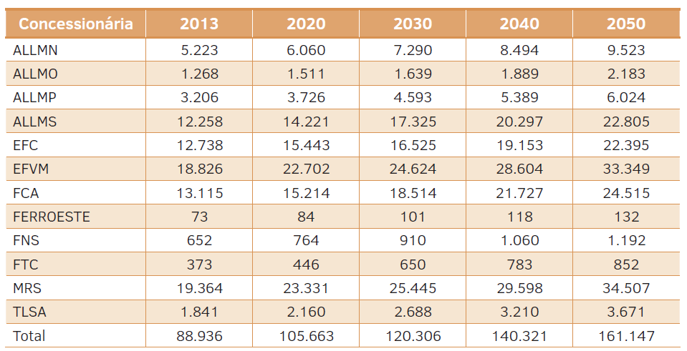

The table below is from the excel file that generated the results for transportation sector, this file has more detalied informations about the modelling than the report.

Dealership | Line extension (km) | Average distance traveled (km) | Number of wagons | TU transported by wagon | TKU | L / thousand TKU | Consumption in L | Correction Factor
ALLMN | 617 | 47556 | 5222.8333333 | 229.58333333 | 20593900000 | 2.3725 | 48859027.75 | 0.36114928287
ALLMO | 1945 | 23799 | 1268.3333333 | 305.25 | 20587000000 | 15.935833333 | 328071000.83 | 2.2343195035
ALLMP | 1945 | 9762 | 3205.5 | 140.66666667 | 3912200000 | 14.035 | 54907727 | 0.88878203573
ALLMS | 7265 | 33890 | 12258 | 153.91666667 | 15788700000 | 9.2883333333 | 146650708.5 | 0.24692754442
EFC | 892 | 186204 | 12737.5 | 843.33333333 | 101010400000 | 2.095 | 211616788 | 0.050500260835
EFVM | 905 | 104720 | 18826.333333 | 630.66666667 | 72009300000 | 2.7808333333 | 200245861.75 | 0.057915303209
FCA | 8066 | 125994 | 13115.166667 | 146.66666667 | 17789400000 | 11.165833333 | 198633475.5 | 0.073401713931
FERROESTE | 248 | 50947 | 73 | 352.33333333 | 153300000 | 13.818333333 | 2118350.5 | 0.11698951657
FNS | 2200 | 81976 | 651.83333333 | 402.83333333 | 2377400000 | 4.1033333333 | 9755264.6667 | 0.11044690989
FTC | 164 | 21337 | 372.5 | 724 | 238800000 | 6.7208333333 | 1604935 | 0.041498855741
MRS | 1674 | 73180 | 19364.25 | 567.75 | 61467500000 | 4.405 | 270764337.5 | 0.076400345215
TLSA | 4207 | 18246 | 1841.0833333 | 55 | 534400000 | 15.5725 | 8321944 | 0.2892428572

